Download Instructions to Edit C
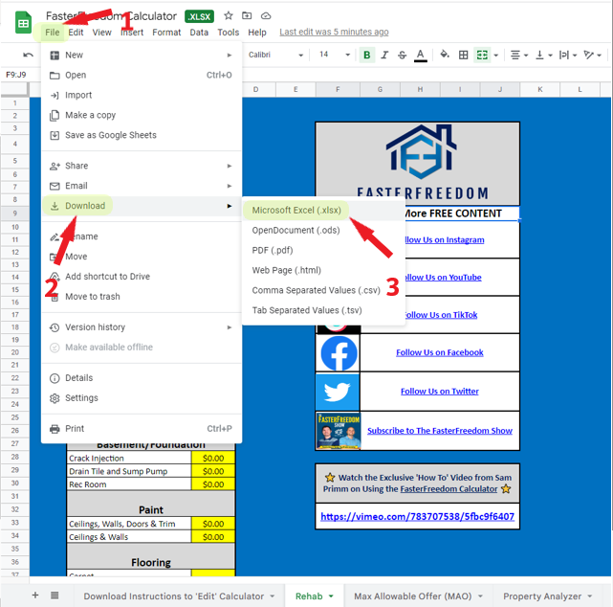


FasterFreedom Calculator Download Instructions

Rehab
***Update/Change the Yellow Cells*** |  | 
REHAB ANALYSIS
REPAIRS
Kitchen

Full Replacement | $0.00
Paint Cabinets | $0.00 | Follow-Us for More FREE CONTENT
Appliance Package | $0.00 |  | Follow Us on Instagram
Countertops - Laminate | $0.00
Countertops - Granite | $0.00
Countertops - Sprayed | $0.00 |  | Follow Us on YouTube
Bathroom 1

Full Replacement | $0.00 |  | Follow Us on TikTok
Vanity, Toilet, Mirror & Light | $0.00
Spray Tub | $0.00
Flooring | $0.00 |  | Follow Us on Facebook
Bathroom 2

Full Replacement | $0.00 |  | Follow Us on Twitter
Vanity, Toilet, Mirror & Light | $0.00
Spray Tub | $0.00
Flooring | $0.00 |  | Subscribe to The FasterFreedom Show
Basement/Foundation

Crack Injection | $0.00
Drain Tile and Sump Pump | $0.00 | ⭐ Watch the Exclusive 'How To' Video from Sam Primm on Using the FasterFreedom Calculator ⭐
Rec Room | $0.00
Paint
 |  | https://vimeo.com/783707538/5fbc9f6407
Ceilings, Walls, Doors & Trim | $0.00
Ceilings & Walls | $0.00
Flooring

Carpet
Luxury Vinyl Plank | $0.00
Sheet Vinyl | $0.00
Laminate | $0.00
Refinish Hardwood | $0.00
Mechanical

Furnace and AC | $0.00
Furnace | $0.00
AC and AC Coil | $0.00
Service HVAC | $0.00
Water Heater | $0.00
Plumbing

Stack Replacement | $0.00
Electrical

Panel | $0.00
Panel & Service Cable | $0.00
Panel, Service Cable, and Mast | $0.00
Outlets and Switches | $0.00
Light Fixtures | $0.00
Millwork and Trim

Doors | $0.00
Door Hardware | $0.00
Baseboards | $0.00
Garage

Opener | $0.00
1-Car Door | $0.00
2-Car Door | $0.00
Exterior

Windows | $0.00
Roof (tear off) | $0.00
Roof (overlay) | $0.00
Vinyl Siding | $0.00
Soffits | $0.00
Gutters | $0.00
Concrete Driveway | $0.00
Ashphalt Drivway | $0.00
Deck Replacement | $0.00
Concrete Porch/Patio | $0.00
Seal Driveway | $0.00
Powerwash | $0.00
Misc. Exterior Paint | $0.00
Light Landscaping | $0.00
Door Handles | $0.00
Light Fixtures | $0.00
Miscellaneous Costs

Junk Removal/Demo | $0.00
Cleaning | $0.00
Pro Pictures | $0.00

Rehab Total | $0.00
Misc. (10%) | $0.00
REHAB TOTAL | $0.00

Estimated Project Life Span (Months) | 0
Holding Costs

Insurance (per month) | $0.00
Utilities (per month) | $0.00

ALL IN TOTAL | $0.00

Finance Costs
Short Term Annual Interest (Percentage) | 0%
Short Term Points (Percentage) | 0%

